Sheet1
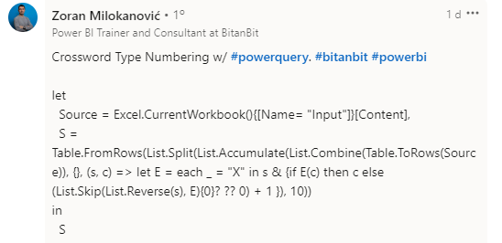
Column1 | Column2 | Column3 | Column4 | Column5 | Column6 | Column7 | Column8 | Column9 | Column10
 |  |  |  | X |  |  |  |  | X
X |  | X |  | X |  | X | X |  | X
 |  |  |  | X |  |  |  |  | X
 |  |  |  |  | X | X | X | X | X
X | X | X |  |  |  |  |  |  | X
 |  | X |  |  |  |  | X
 |  | X |  | X |  |  | X
PROBLEM
SOLUTION
 | X | X | X | X | X | X | X | X

1 | 2 | 3 | 4 | X | 5 | 6 | 7 | 8 | X
X | 9 | X | 10 | X | 11 | X | X | 12 | X
13 | 14 | 15 | 16 | X | 17 | 18 | 19 | 20 | X
21 | 22 | 23 | 24 | 25 | X | X | X | X | X
X | X | X | 26 | 27 | 28 | 29 | 30 | 31 | X
32 | 33 | X | 34 | 35 | 36 | 37 | X | 38 | 39
40 | 41 | X | 42 | X | 43 | 44 | X | 45 | 46
47 | X | X | X | X | X | X | X | X | 48

Preencha a grade 10x8 com números pulando sequencialmente X.

